Sheet1
X1 | X2 | X3 | X4 | X5 | Y1 | Y2 | Y3 | Beta | =
-1.037 | 0.604 | -1.561 | -2.472 | 1.297 | 0.305 | -2.018 | -0.745
2.145 | 0.513 | 0.396 | 2.527 | -2.35 | 0.774 | 2.835 | 0.096 | 0.2775 | -0.3367 | -0.1619
1.021 | 0.134 | 0.55 | 1.697 | -1.417 | 0.298 | 2.028 | -0.245 | 0.2886 | 0.4732 | -0.3113
0.442 | 0.889 | -1.431 | -1.024 | -0.233 | 0.939 | -0.94 | -1.011 | -0.3702 | 0.6879 | 0.3806
-1.599 | -0.758 | -0.519 | -1.783 | 1.869 | -0.715 | -2.259 | 0.167 | -0.0627 | 0.2731 | 0.1892
-1.604 | -0.485 | -0.359 | -2.028 | 1.648 | -0.678 | -1.733 | 0.126 | -0.2116 | -0.8809 | 0.1591
-1.993 | -0.864 | 0.407 | -1.656 | 2.051 | -1.399 | -1.742 | 0.905
1.427 | 1.021 | -0.698 | 0.703 | -1.355 | 1.328 | 0.752 | -0.889 | >> | T
0.224 | 0.413 | -0.438 | -0.032 | -0.395 | 0.487 | 0.075 | -0.552
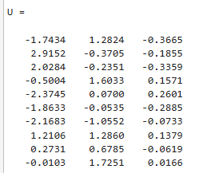
0.637 | 0.917 | -1.43 | -0.547 | -0.378 | 1.034 | -0.478 | -1.303 | T | =
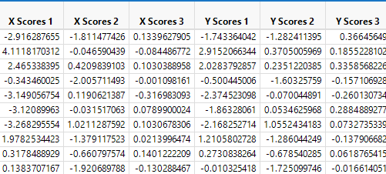
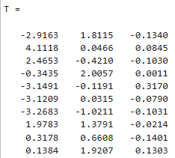
 |  |  |  |  |  |  |  | -2.9163 | 1.8115 | -0.134
 |  |  |  |  |  |  |  | 4.1118 | 0.0466 | 0.0845
 |  |  |  |  |  |  |  | 2.4653 | -0.421 | -0.103
 |  |  |  |  |  |  |  | -0.3435 | 2.0057 | 0.0011
 |  |  |  |  |  |  |  | -3.1491 | -0.1191 | 0.317
 |  |  |  |  |  |  |  | -3.1209 | 0.0315 | -0.079
 |  |  |  |  |  |  |  | -3.2683 | -1.0211 | -0.1031
 |  |  |  |  |  |  |  | 1.9783 | 1.3791 | -0.0214
 |  |  |  |  |  |  |  | 0.3178 | 0.6608 | -0.1401
 |  |  |  |  |  |  |  | 0.1384 | 1.9207 | 0.1303


                

